WC
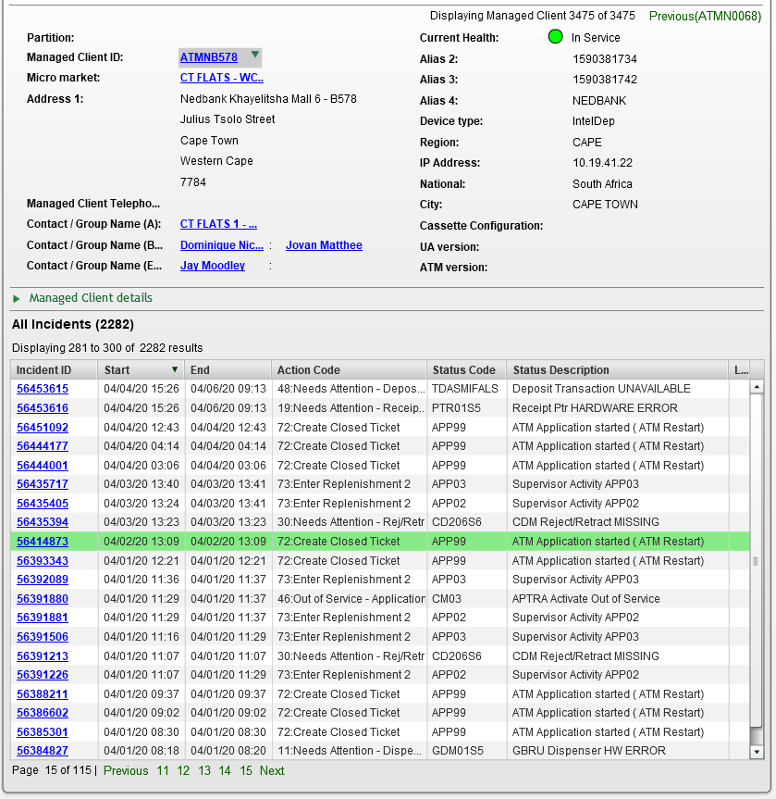
Claim No. | Acc No. | Amount | Date amd Time | Term
620078 | 1034042157 | 8000 | 4/2/2020 1:00:44 PM | ATMNB578

SG
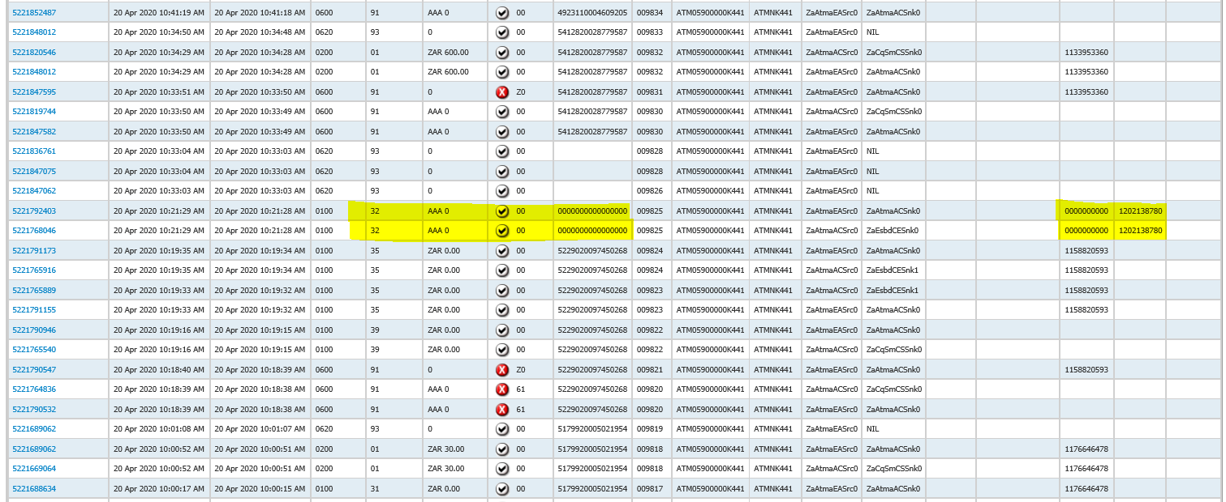
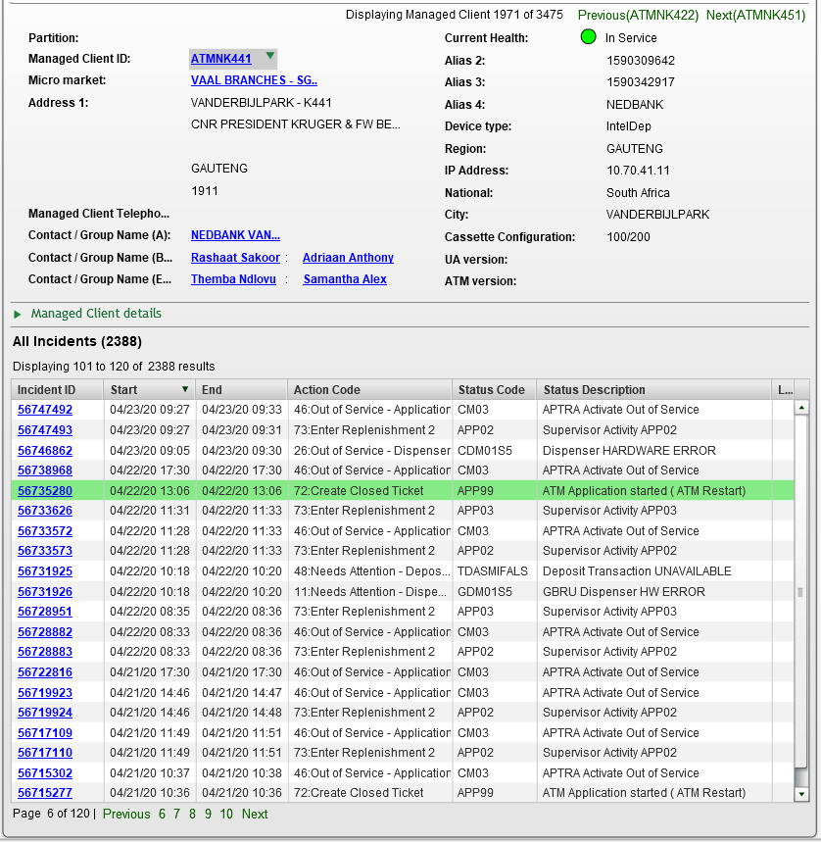
Claim No. | Acc No. | Amount | Date amd Time | Term
622813 | 1202138780 | 1800 | 4/20/2020 10:21:28 AM | ATMNK441

PTA
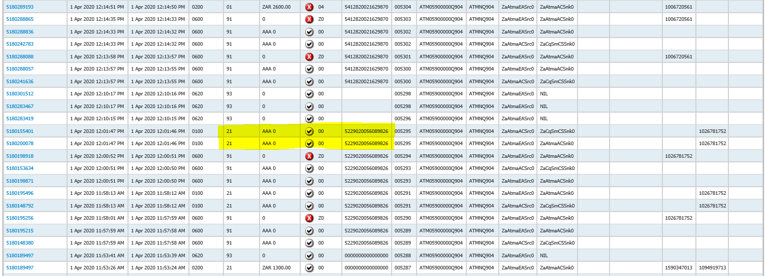
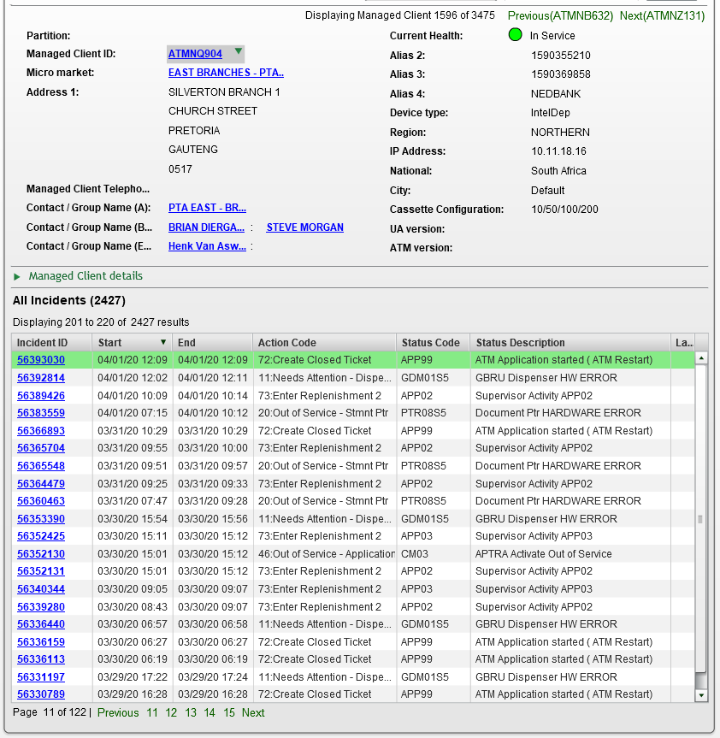
Claim No. | Acc No. | Amount | Date amd Time | Term
619770 | 5229020056089826 | 7500 | 4/1/2020 11:58:12 AM | ATMNQ904

PE
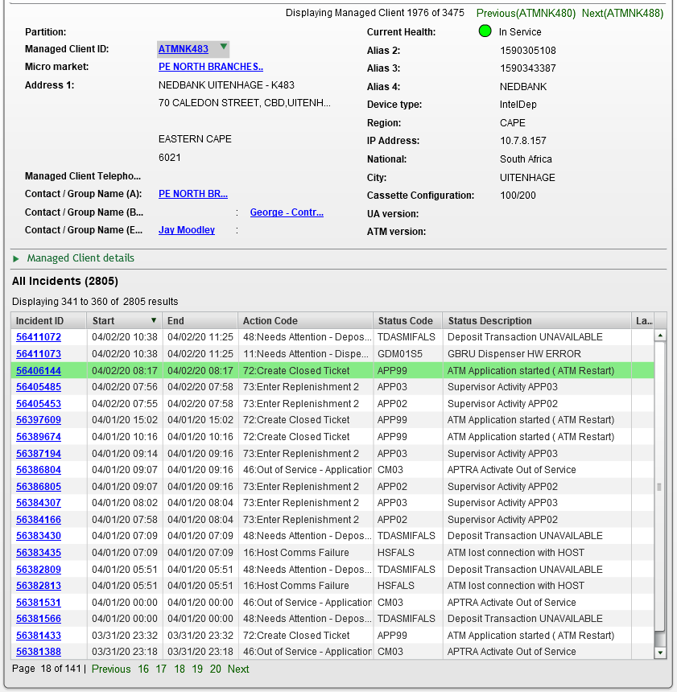
Claim No. | Acc No. | Amount | Date amd Time | Term
619918 | 5179890057819710 | 310 | 02/04/2020 12:34:30 PM | ATMNK483

NG
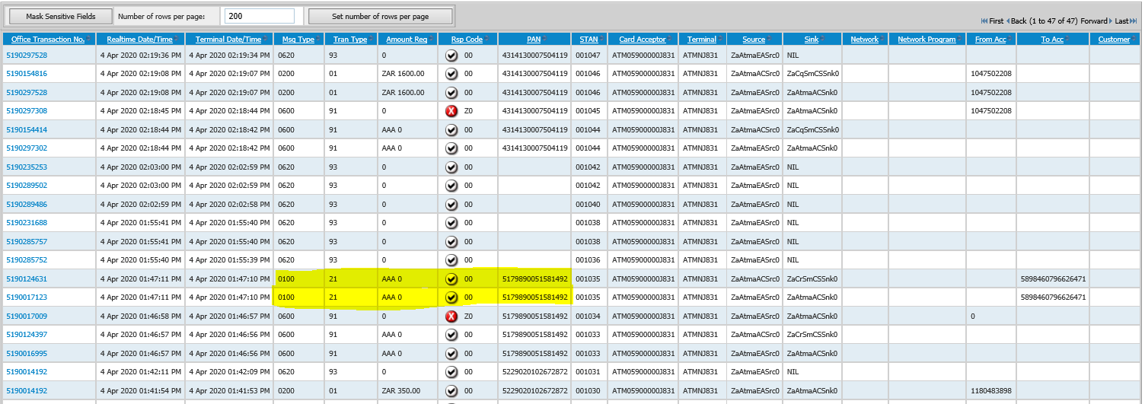
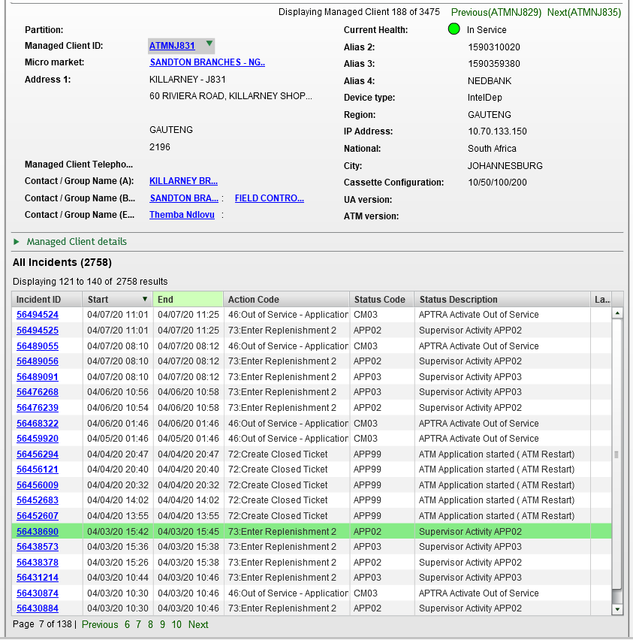
Claim No. | Acc No. | Amount | Date amd Time | Term
620936 | 5179890051581490 | 5000 | 04/04/2020 12:34:30 PM | ATMNJ831

Limpopo
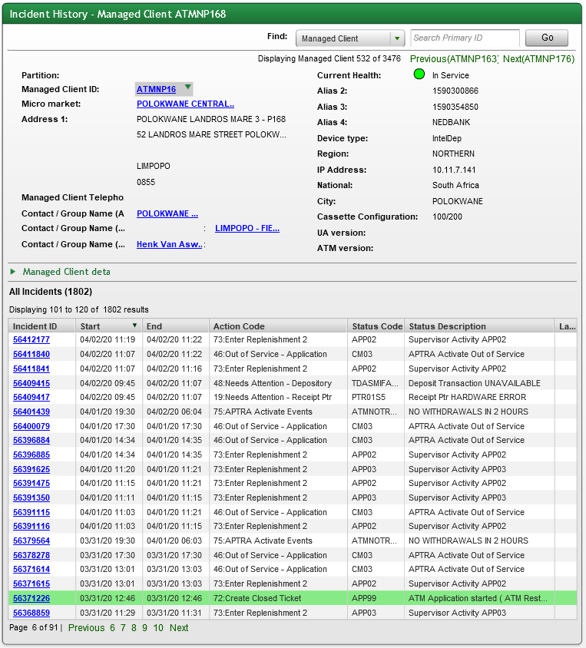
Claim No. | Acc No. | Amount | Date amd Time | Term
619477 | 2432173651 | 600 | 3/31/2020 12:34:30 PM | ATMNP168

FS
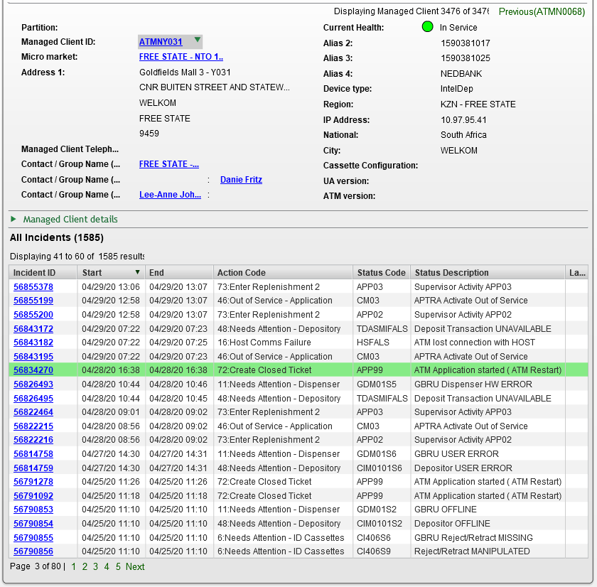
Claim No. | Acc No. | Amount | Date amd Time | Term
624098 | 2134498978 | 7940 | 4/28/2020 4:28:17 PM | ATMNY031

EL&M
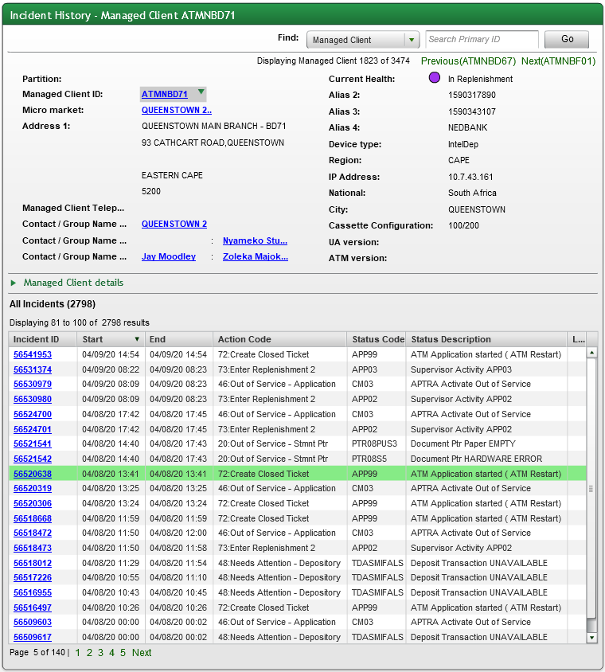
Claim No. | Acc No. | Amount | Date amd Time | Term
621370 | 1172598037 | 2500 | 4/8/2020 1:30:59 PM | ATMNBD71

EG
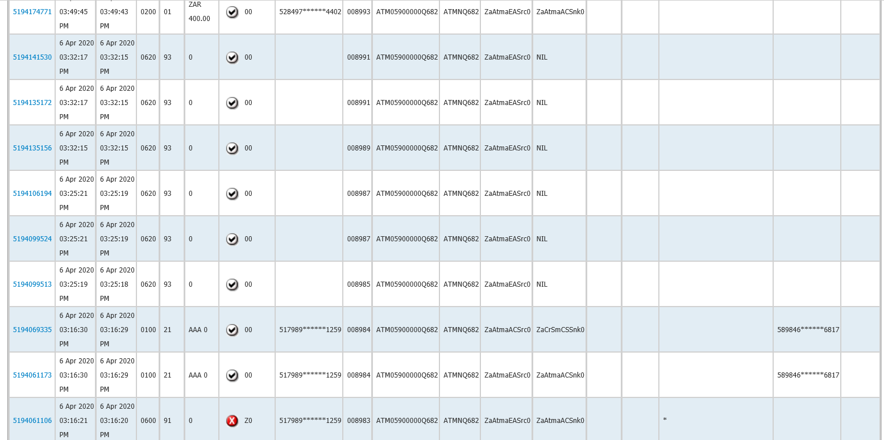
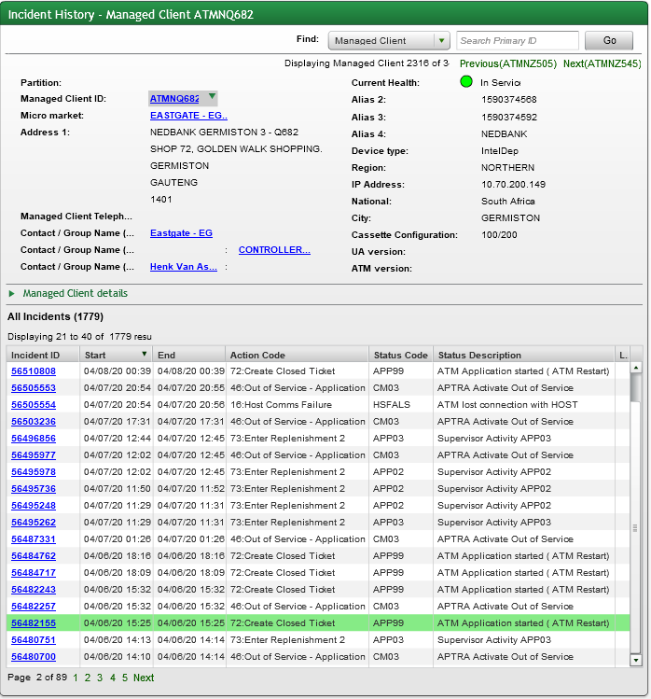
Claim No. | Acc No. | Amount | Date amd Time | Term
621299 | 5898461065596817 | 1000 | 4/6/2020 3:16:29 PM | ATMNQ682

DS
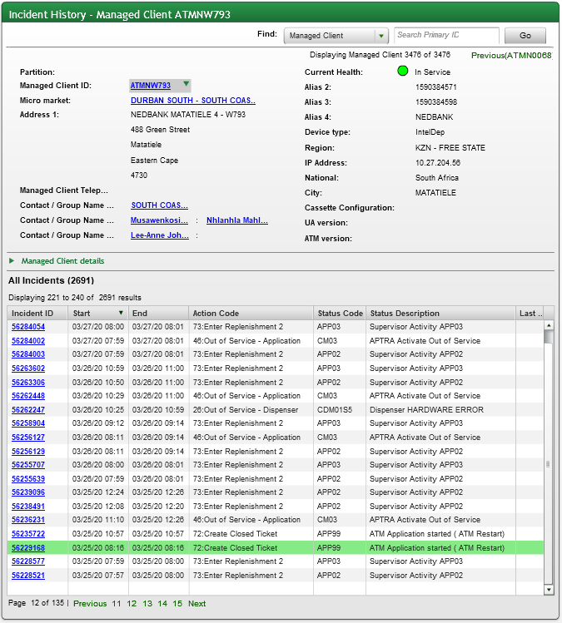
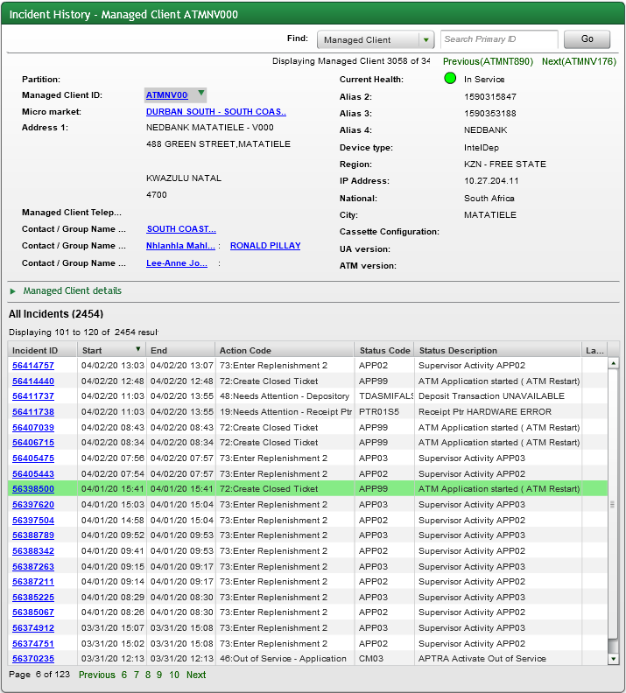
Claim No. | Acc No. | Amount | Date amd Time | Term
620256 | 1202487939 | 700 | 3/25/2020 8:07:39 AM | ATMNW793
621042 | 1372016635 | 3570 | 4/1/2020 3:31:30 PM | ATMNV000

DN
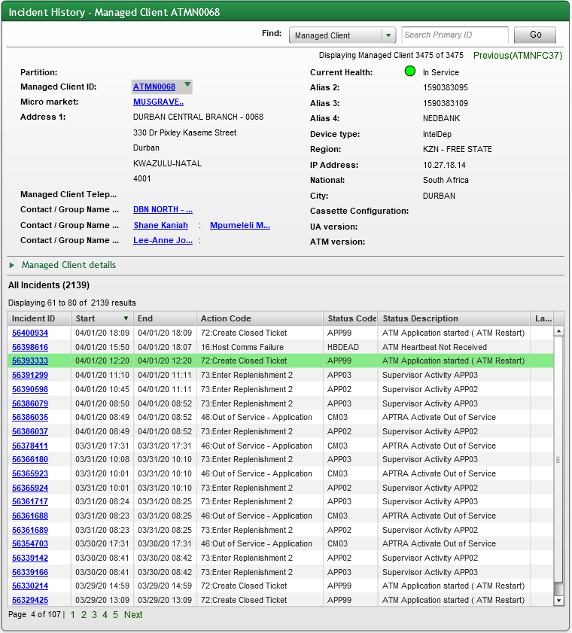
Claim No. | Acc No. | Amount | Date amd Time | Term
619785 | 2784096793 | 800 | 4/1/2020 12:10:53 PM | ATMN0068

CG
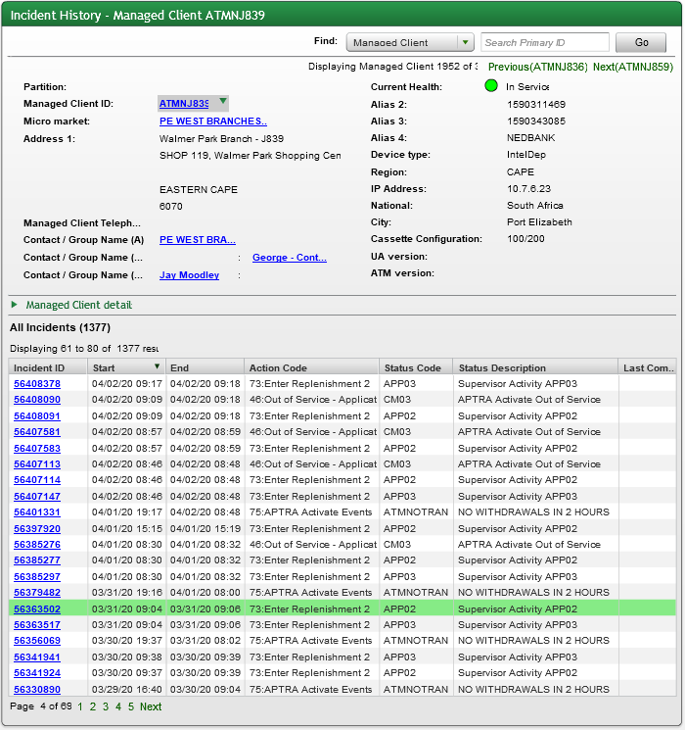
Claim No. | Acc No. | Amount | Date amd Time | Term
619777 | 1823126251 | 700 | 3/31/2020 11:01:20 AM | ATMNJ835

Boland
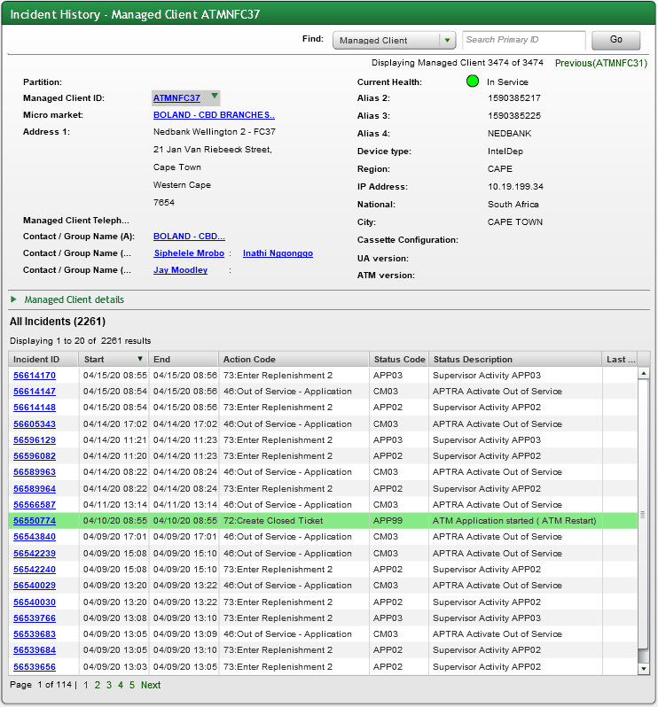
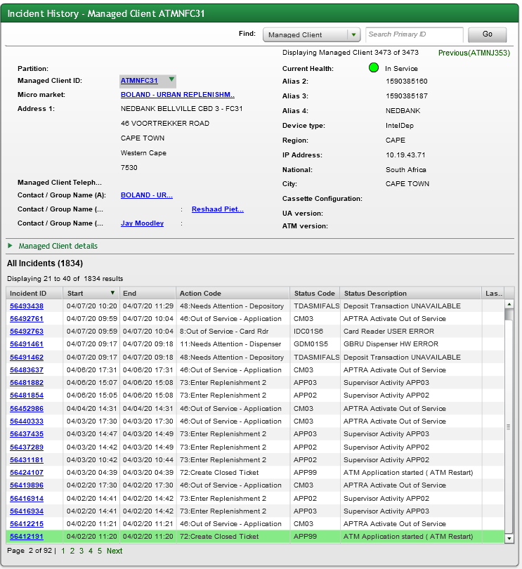
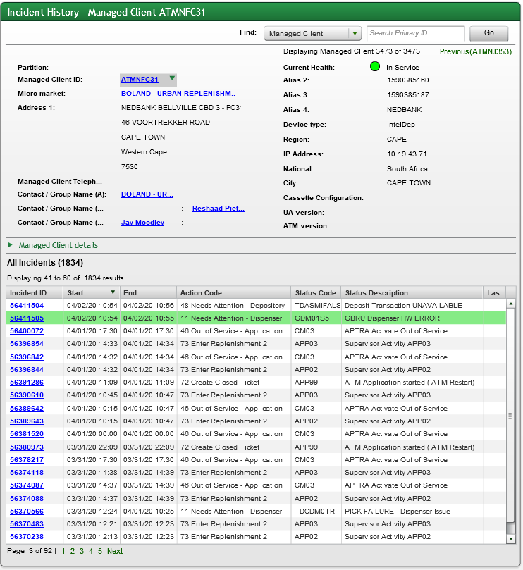
Claim No. | Acc No. | Amount | Date amd Time | Term
619997 | 1158147619 | 3190 | 4/2/2020 11:12:48 AM | ATMNFC31
621755 | 1160019959 | 2900 | 4/10/2020 8:44:50 AM | ATMNFC37
619156 | 2005948349 | 900 | 3/30/2020 12:05:48 PM | ATMNCX06
621740 | 2123061778 | 600 | 4/10/2020 12:21:38 PM | ATMNQ481

